Sheet1
Key Feature (3 For Grading Are in blue) | Description | Design | Design Description | Proof It Works
- We sell subscriptions to our online services at three main levels | 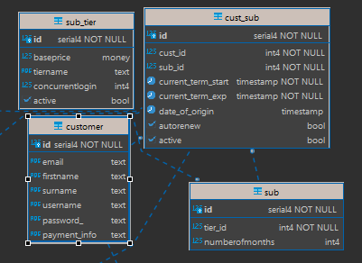 Customers have different tier levels. Each customer can subscribe to one tier level |  | A customer has a subscription in the cust_sub table. Cust_sub has a subscription, which has a sub_tier | id|baseprice|tiername|concurrentlogin|active| 1| $5.00|Bronze | 1|true | 2| $8.00|Silver | 2|true | 3| $10.00|Gold | 5|true |
-We can see the number of concurrent logins for each user (to enforce above information) | 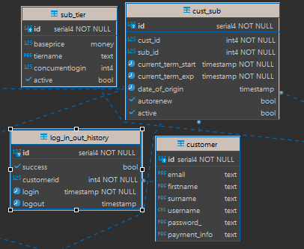 Each user can have a certain number of users logged in. We can check at any time if a user can support any more subscriptions |  | A customer has a subscription in the cust_sub table. Cust_sub has a subscription, which has a sub_tier, which has a number of concurrent logins. Log-in-out history has a customer, and records whether a user is logged in or out. | select lioh.customerid, count(*) from log_in_out_history lioh where (logout is null) group by lioh.customerid; customerid|count| ----------+-----+ 1| 1| 3| 2| 4| 1|
We also sell feature packs that can be added to a subscription | A featurepack has a collection of games. Users can subscribe separately to these packs | 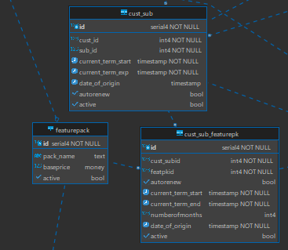 | A cust_sub can connect to a cust_sub_featurepack, which connects to a featurepack. A featurepack connects to many game_feat entries, which each connect to one game | select * from featurepack where (active = true); id|pack_name |baseprice|active| 1 |Retro GamePack | $3.00|true | 2 |HighSciFi GamePack | $4.00|true | 3 |DungeonDweller GamePack | $2.00|true |
Some games can only be accessed by the additional feature-packs | A game in a feature pack is not allowed to be public. We can check if a user has permission to play a certain game | 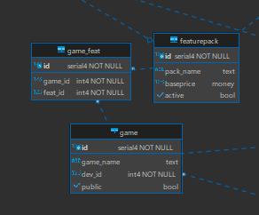 | A game has a field called public. If public is true, it cannot go into a feature pack. | select game_playable(8,9) as "Cust8CanPlayGame9"; Cust8CanPlayGame9| -------------+ true | select game_playable(644,9) as "Cust644CanPlayGame9"; Cust8CanPlayGame9| -----------------+ false |
Subscriptions can be auto-renewed on a monthly or annual basis | A user can have a monthly or annual subscription | 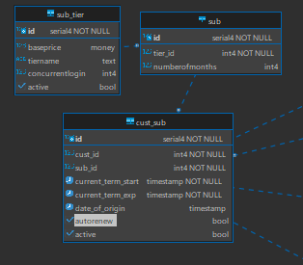 | A cust_sub is connected to a subscription, which has a field called 'numberofmonths'. This can be either 1, or 12. | call renew_sub(2); --ouput --before renew procedure ran /* id|cust_subid|featpkid|autorenew|current_term_start |current_term_end |numberofmonths|date_of_origin | --+----------+--------+---------+-----------------------+-----------------------+--------------+-----------------------+ 1| 1| 1|false |2022-11-17 18:59:18.048|2022-12-17 18:59:18.048| 1|2022-11-17 18:59:18.048| 2| 2| 2|true |2022-11-17 18:59:18.048|2023-11-17 18:59:18.048| 12|2022-11-17 18:59:18.048| 4| 1| 1|true |2022-09-22 18:59:17.970|2022-10-22 18:59:17.970| 1|2018-11-17 18:59:17.970| --after renew procedure ran id|cust_subid|featpkid|autorenew|current_term_start |current_term_end |numberofmonths|date_of_origin | --+----------+--------+---------+-----------------------+-----------------------+--------------+-----------------------+ 1| 1| 1|false |2022-11-17 18:59:18.048|2022-12-17 18:59:18.048| 1|2022-11-17 18:59:18.048| 2| 2| 2|true |2022-11-17 18:59:18.048|2023-11-17 18:59:18.048| 12|2022-11-17 18:59:18.048| 4| 1| 1|true |2022-10-22 18:59:17.970|2022-11-17 00:00:00.000| 1|2018-11-17 18:59:17.970| */
- Subcriptions are give a 15% discount at each auto-renewal | Users signed up for auto-renewal get a 15% discount |  | Cust_sub has a field called 'Autorenew'. Cust_sub has a subscription, which has a sub_tier, which has a field called 'baseprice'. When autorenew is true, the customer is charged 15% less | id |cust_sub_id|pay_date |amt |description | ---+-----------+-----------------------+------+----------------+ 1| 2|2022-06-25 16:19:40.944| $5.00|Bronze not renew| 2| 5|2021-05-01 01:13:40.137|$10.00|Gold not renew | 3| 8|2021-01-21 19:20:19.996| $6.80|Silver renew | 4| 11|2021-09-15 02:12:48.672| $8.00|Silver not renew| 5| 14|2021-12-08 23:43:19.574|$10.00|Gold not renew | 6| 17|2022-07-13 11:38:54.931| $5.00|Bronze not renew| 7| 20|2023-08-26 06:43:37.833| $8.00|Silver not renew| 8| 23|2022-08-23 11:41:53.520| $5.00|Bronze not renew| 9| 26|2022-01-11 07:26:02.572|$10.00|Gold not renew | 10| 29|2021-04-18 02:23:39.782| $8.00|Silver not renew| CREATE OR REPLACE PROCEDURE public.renew_sub(IN mycustsub record) LANGUAGE plpgsql AS $procedure$ declare subprice money; submonths int; tempexp timestamp; tempmonths text; begin subprice = st.baseprice from cust_sub inner join sub on (mycustsub.sub_id = sub.id) inner join sub_tier st on (st.id = sub.tier_id) where (cust_sub.id = mycustsub.id); submonths = s.numberofmonths from cust_sub inner join sub s on (s.id = cust_sub.sub_id) where (cust_sub.id = mycustsub.id); tempmonths = submonths||' months'; tempexp = mycustsub.current_term_exp + tempmonths::interval; tempexp = date_trunc('month', tempexp); tempmonths = date_part('day', mycustsub.date_of_origin)||' days'; tempexp = tempexp + tempmonths::interval; if(date_part('day', tempexp) < date_part('day', mycustsub.date_of_origin)) then tempexp = date_trunc('month', tempexp); tempexp = tempexp + date_part( 'days', (date_trunc('month', tempexp) + '1 month - 1 day'::interval) ); end if; if(mycustsub.autorenew = true) then subprice = subprice * .85; end if; INSERT INTO p
- Feature packs have their own auto-renewal cycle | A user's feature packs are renewed independent from their subscription | 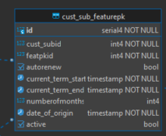 | cust_sub_featurepack has a date_of_origin and records when the current term will start and end. This is independent of cust_sub's similar fields. | id |cust_sub_feat_id|pay_date |amt |description | ---+----------------+-----------------------+-----+---------------------------------+ 1| 2|2020-11-24 10:13:07.651|$2.00|DungeonDweller GamePack not renew| 2| 4|2021-11-02 17:18:47.750|$1.50|DungeonDweller GamePack not renew| 3| 6|2020-07-20 04:02:20.428|$3.00|Retro GamePack not renew | 4| 8|2021-02-01 21:46:37.891|$0.50|DungeonDweller GamePack renew | 5| 10|2023-05-26 16:29:26.476|$2.00|Retro GamePack not renew | 6| 12|2022-01-11 08:07:37.459|$2.00|Retro GamePack renew | 7| 14|2021-12-31 03:01:47.481|$3.00|Retro GamePack not renew |
Users have one active subscription type, but multiple feature packs | 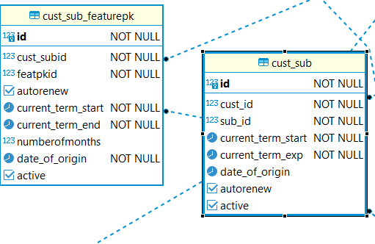 A user can sign up for multiple feature packs |  | cust_sub is connected to cust_sub_featurepack. One cust_sub can have many cust_sub_featurepacks | id |cust_id|sub_id|current_term_start |current_term_exp |date_of_origin |autorenew|active| ---+-------+------+-----------------------+-----------------------+-----------------------+---------+------+ 1| 1| 2|2022-05-12 09:32:44.217|2023-05-12 09:32:44.217|2020-05-30 03:01:33.830| | | 2| 1| 5|2020-05-04 01:53:47.155|2020-06-04 01:53:47.155|2020-02-15 07:07:11.251| |true | 3| 1| 4|2021-12-22 17:50:54.988|2022-12-22 17:50:54.988|2021-11-17 20:48:42.019|true | | 4| 2| 2|2021-05-25 10:49:07.996|2022-05-25 10:49:07.996|2020-03-20 11:11:28.752|true | | 5| 2| 3|2022-09-17 17:59:53.347|2022-10-17 17:59:53.347|2021-05-30 02:53:45.715| |true | 6| 2| 5|2021-01-04 17:52:17.414|2021-02-04 17:52:17.414|2020-08-09 08:44:39.235| | | CREATE TABLE cust_sub ( id serial4 NOT NULL, cust_id int4 not null, sub_id int4 not null, current_term_start timestamp not null, current_term_exp timestamp not null constraint exp_greater_then_start check(current_term_exp > current_term_start), date_of_origin timestamp null, autorenew bool null, active bool null constraint notneg check (true or null), unique(cust_id, active), CONSTRAINT cust_sub_pk PRIMARY KEY (id) );
A history of all prior subscriptions for a user needs to be easily produced | A subscription history should be visible to users | 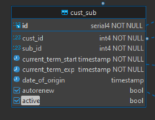 | We are able to get all of the customers subscription history by keeping track of which subscription is active. using cust_sub's active element This allows us to not have to delete old subscriptions when a customer wants to subscribe for a new sibscription. | select c.firstname as "Customer", st.tiername "Subscription", cs.active as "current Sub" from cust_sub cs inner join customer c on (cs.cust_id = c.id) inner join sub s on (s.id = cs.sub_id) inner join sub_tier st on (st.id = s.tier_id) where(cs.cust_id = 1) Customer|Subscription|current Sub| --------+------------+-----------+ Person0 |Gold |true | Person0 |Bronze | | Person0 |Silver | |
Every time a user logs on to our service, - validate concurrent login limits | We check how many concurrent users a customer has when they try to sign in, | 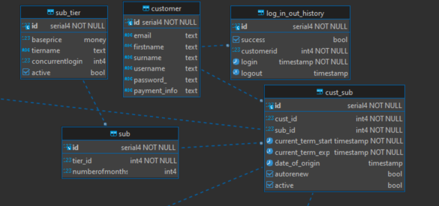 | A customer has a subscription in the cust_sub table. Cust_sub has a subscription, which has a sub_tier, which has a number of concurrent logins. Log-in-out history has a customer, and records whether a user is logged in or out. We can count how many rows a customer has that aren't logged out, and compare it to the number of logins they are permitted | Select can_login(1) as "Customer1CanLoginFalse" Customer1CanLogin| -----------------+ false | Select can_login(2) as "Customer2CanLoginTrue" Customer2CanLoginTrue| ---------------------+ true |
When a log-in attempt happens, log the attempt whether its a success or failure | Track if a user logs in successfully | 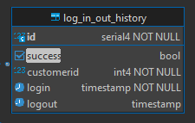 | log_in_out_history has a field named success. If this is false, they failed. | select id, customerid, success, login from log_in_out_history; id|customerid|success|login | --+----------+-------+-----------------------+ 1| 1|true |2021-04-26 17:52:06.873| 2| 1|true |2021-03-22 20:45:18.460| 3| 2|true |2021-12-23 11:06:35.424| 4| 2|true |2021-10-11 21:24:47.376| 5| 3|false |2020-11-14 13:14:41.395|
Every time the user plays a game we track it | We track when a user plays a game | 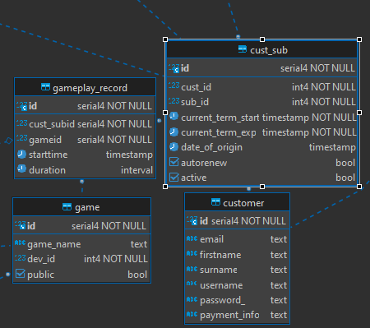 | A customer has a subscription in the cust_sub table. gameplay_record tracks the cust_sub id. It also has a connection to a game, thus tracking a specific user and game. | select * from gameplay_record where (cust_subid = 5) id |cust_subid|gameid|starttime |duration | ----+----------+------+-----------------------+---------------+ 3144| 5| 210|2022-05-19 02:47:57.868|07:26:18.539147| 3145| 5| 842|2022-08-25 08:06:40.608|03:52:21.159459| 3146| 5| 571|2022-05-29 19:50:34.224| 02:41:48.40038| 3147| 5| 355|2022-02-05 22:48:00.172|06:49:18.152842| 3148| 5| 995|2021-10-11 06:18:23.587|03:33:11.919103|
We can produce reports on which games get the most usage | We can look at how much each game is played | 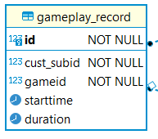 | Each game record the duration that the game was played for and the date it was played That way we can filter the games by a date and add up the total time that it was played in that date range. | select gameid, sum(duration) as hours from gameplay_record where (extract(year from starttime) = 2021 and (extract(month from starttime) = 4) and (extract(day from starttime) = 17)) group by gameid order by hours desc limit 5; gameid|hours | ------+---------------+ 44|20:20:58.729231| 99|17:30:24.405441| 5|15:06:36.320232| 45|14:34:25.540115| 18|13:03:02.852603|
BaseSubscription Revenue Sharing - Calculate this based the formula ( DevelopersGamesPlayed/AllGamesPlayed ) * (10% of all BaseSubscription Revenue) => portion for that Developer Near The Bottom | 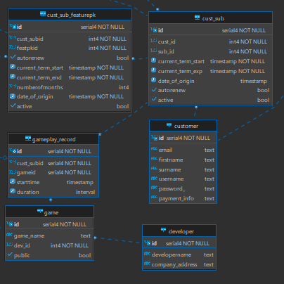 Each developer gets a share of the money generated from the subscriptions, scaled to how much their games were played |  | A developer has a game. A game being played is stored in gameplay_record. We can get a count of the number of plays each game had. | select * from generate_base_sub_rev_report('2022-10-10'); developer |payout|pay_month | ----------------+------+-----------------------+ Game Company 1 | $0.13|2022-10-01 00:00:00.000| Game Company 2 | $0.32|2022-10-01 00:00:00.000| Game Company 3 | $0.29|2022-10-01 00:00:00.000| Game Company 4 | $0.19|2022-10-01 00:00:00.000| Game Company 5 | $0.00|2022-10-01 00:00:00.000| Game Company 6 | $0.00|2022-10-01 00:00:00.000| Game Company 7 | $0.20|2022-10-01 00:00:00.000| Game Company 8 | $0.19|2022-10-01 00:00:00.000| Game Company 9 | $0.14|2022-10-01 00:00:00.000| Game Company 10 | $0.16|2022-10-01 00:00:00.000| Game Company 11 | $0.22|2022-10-01 00:00:00.000|
FeaturePack Revenue Sharing - Calculate this based the formula ( DevelopersGamesInThisFeaturePackNumberOfGamesPlayed/AllGamesPlayedInThisFeaturePack ) * (10% of all This FeaturePack Subscription Revenue) => portion for that Developer Near The Bottom - Do that for each feature pack | Each developer gets a share of the money generated from the feature pack, proportional to how much their games were played | 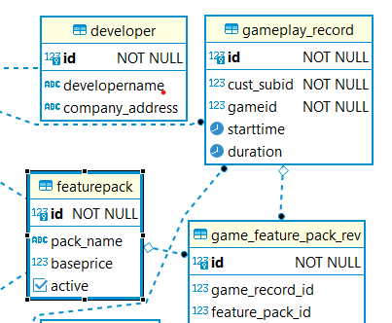 | A developer has a game. A game being played is stored in gameplay_record. When the game is in a featurepack, we can get how many records were played per featurepack. | select * from generate_feature_pack_sub_rev_report('2022-10-10'::timestamp); featurepack |dev_name |payout|pay_month |acitve| -----------------------+---------------+------+-----------------------+------+ Retro GamePack |Game Company 1 | $0.21|2022-10-01 00:00:00.000|true | HighSciFi GamePack |Game Company 1 | $0.21|2022-10-01 00:00:00.000|true | DungeonDweller GamePack|Game Company 1 | $0.21|2022-10-01 00:00:00.000|true | Retro GamePack |Game Company 1 | $0.21|2022-10-01 00:00:00.000| | HighSciFi GamePack |Game Company 1 | $0.21|2022-10-01 00:00:00.000| | DungeonDweller GamePack|Game Company 1 | $0.21|2022-10-01 00:00:00.000| | Retro GamePack |Game Company 2 | $0.00|2022-10-01 00:00:00.000|true | HighSciFi GamePack |Game Company 2 | $0.00|2022-10-01 00:00:00.000|true | DungeonDweller GamePack|Game Company 2 | $0.00|2022-10-01 00:00:00.000|true | Retro GamePack |Game Company 2 | $0.00|2022-10-01 00:00:00.000| | HighSciFi GamePack |Game Company 2 | $0.00|2022-10-01 00:00:00.000| | DungeonDweller GamePack|Game Company 2 | $0.00|2022-10-01 00:00:00.000| |
provide a nice report that shows the calculations of income for each developer | Each developer gets a report on how much income they are getting |  | A developer has a game. A game being played is stored in gameplay_record. When the game is in a featurepack, we can get how many records were played per featurepack, and in general. We can display this information per developer. developer 1 2 amd 21 all have games in a feature pack(s). Developer 1 and 2 have games in featurepacks 1 and 2 which both respectively made 3.00 for the month of 2009-06 developer 1 game was played twice and dev 2s game was played once this mean that dev one should get 2/3 of the .1 * 3.00 or .2 for featur packs 1 and 2. Dev 2 should get 1/3 or .1 for featur pack 1 and .1 for featurepack 2. Dev 21 had one game play in the same month of a game in feature pack 3 which made 1.00 that month. Meaning that he should get the full amount of the split for that feature pack or .1. | select * from feature_pack_revenue_per_dev(1,'2009-06-20'::timestamp,1) as "Dev1InFp1Shouldbe 0.2" ; Dev1InFp1Shouldbe 0.2| ------------+ $0.20| select * from feature_pack_revenue_per_dev(1,'2009-06-20'::timestamp,2) as "Dev1InFp2Shouldbe 0.2" ; Dev1InFp2Shouldbe 0.2| ------------+ $0.20| select * from feature_pack_revenue_per_dev(1,'2009-06-20'::timestamp,3) as "Dev1InFp3Shouldbe 0.0" ; Dev1InFp3Shouldbe 0.0| ---------------------+ $0.00| select * from feature_pack_revenue_per_dev(2,'2009-06-20'::timestamp,1) as "Dev2InFp1Shouldbe 0.1" ; Dev2InFp1Shouldbe 0.1| ------------+ $0.10| select * from feature_pack_revenue_per_dev(2,'2009-06-20'::timestamp,2) as "Dev1InFp2Shouldbe 0.1" ; Dev2InFp2Shouldbe 0.1| ------------+ $0.10| select * from feature_pack_revenue_per_dev(2,'2009-06-20'::timestamp,3) as "Dev2InFp3Shouldbe 0.0" ; Dev2InFp3Shouldbe 0.0| ---------------------+ $0.00| select * from feature_pack_revenue_per_dev(21,'2009-06-20'::timestamp,1) as "Dev21InFp1Shouldbe .0" ; Dev21InFp1Shouldbe 0.0| ------------+ $0.00| select * from feature_pack_revenue_per_dev(21,'2009-06-20'::timestamp,2) as "Dev1InFp2Shouldbe .0" ; Dev21InFp2Shouldbe 0.0| ------------+ $0.00| select * from feature_pack_revenue_per_dev(21,'2009-06-20'::timestamp,3) as "Dev1InFp3Shouldbe 0.1" ; Dev21InFp3Shouldbe 0.1| ---------------------+ $0.10|
Your data system has a way of enforcing renewals | 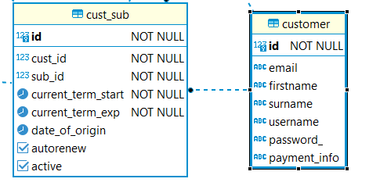 When a user has signed up for auto-renew, we automatically renew the subscription when it expires |  | A customer has a cust_sub, which has a field called autorenew. | call renew_sub(2); --ouput --before renew procedure ran /* id|cust_subid|featpkid|autorenew|current_term_start |current_term_end |numberofmonths|date_of_origin | --+----------+--------+---------+-----------------------+-----------------------+--------------+-----------------------+ 1| 1| 1|false |2022-11-17 18:59:18.048|2022-12-17 18:59:18.048| 1|2022-11-17 18:59:18.048| 2| 2| 2|true |2022-11-17 18:59:18.048|2023-11-17 18:59:18.048| 12|2022-11-17 18:59:18.048| 4| 1| 1|true |2022-09-22 18:59:17.970|2022-10-22 18:59:17.970| 1|2018-11-17 18:59:17.970| --after renew procedure ran id|cust_subid|featpkid|autorenew|current_term_start |current_term_end |numberofmonths|date_of_origin | --+----------+--------+---------+-----------------------+-----------------------+--------------+-----------------------+ 1| 1| 1|false |2022-11-17 18:59:18.048|2022-12-17 18:59:18.048| 1|2022-11-17 18:59:18.048| 2| 2| 2|true |2022-11-17 18:59:18.048|2023-11-17 18:59:18.048| 12|2022-11-17 18:59:18.048| 4| 1| 1|true |2022-10-22 18:59:17.970|2022-11-17 00:00:00.000| 1|2018-11-17 18:59:17.970| */
Your system has a way of handling special renewal situations - example: Purchase 11/30, renewed to 12/30, renewed to 1/30, but what happens in February? What about March? - Hint: It will still need to end on 3/30 - Consider 5/31 purchase and how it renews: 6/30, 7/31, 8/31, 9/30 ... etc | The subscription renews as close to the original day of the month as possible | 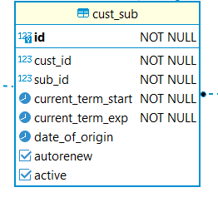 | Cust_sub has a field called date-of-origin. We can get the day of month from this field | CREATE OR REPLACE PROCEDURE public.renew_sub(IN mycustsub record) LANGUAGE plpgsql AS $procedure$ declare subprice money; submonths int; tempexp timestamp; tempmonths text; begin subprice = st.baseprice from cust_sub inner join sub on (mycustsub.sub_id = sub.id) inner join sub_tier st on (st.id = sub.tier_id) where (cust_sub.id = mycustsub.id); submonths = s.numberofmonths from cust_sub inner join sub s on (s.id = cust_sub.sub_id) where (cust_sub.id = mycustsub.id); tempmonths = submonths||' months'; tempexp = mycustsub.current_term_exp + tempmonths::interval; tempexp = date_trunc('month', tempexp); tempmonths = date_part('day', mycustsub.date_of_origin)||' days'; tempexp = tempexp + tempmonths::interval; if(date_part('day', tempexp) < date_part('day', mycustsub.date_of_origin)) then tempexp = date_trunc('month', tempexp); tempexp = tempexp + date_part( 'days', (date_trunc('month', tempexp) + '1 month - 1 day'::interval) ); end if; if(mycustsub.autorenew = true) then subprice = subprice * .85; end if; INSERT INTO public.cust_sub_pay_hist (cust_sub_id, pay_date, amt, description) VALUES(mycustsub.id, now(), subprice, 'renew subscription'); UPDATE public.cust_sub SET current_term_start= current_term_exp, current_term_exp= tempexp - '1 day'::interval WHERE id=mycustsub.id; end;$procedure$ ;

